Summary Str1
REQUIRED Cells | (Compilation will not be done unless completed). Accuracy of data in these cells is critical and can compromise analysis results
REQUIRED Cells (if applicable)
Information Cells (Not required but highly recommended)
Template Revision: 1.3 (2026-01-11)
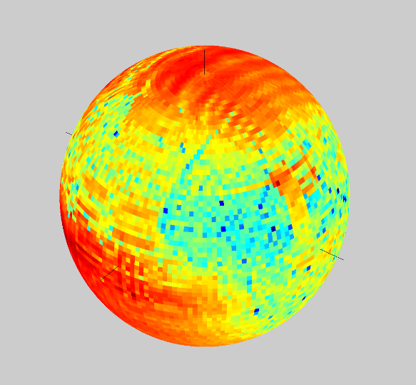
-Z
+Y
+X
+ETheta
+EPhi
Definition for E-field components
-Z
+Y
+X
+ETheta
+EPhi
Definition for E-field components
Release Trac Ticket # | 10001
Author: | Author1 |  |  | 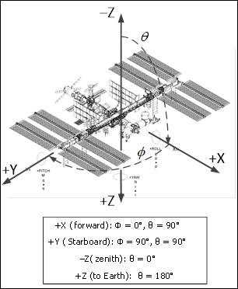
Revision:
Date: | 1-Aug-26
S/N: | P1-1001, S2-1003
Pattern Description:
Element Model Number:
Element Model Name:
Element Polarization: | RHCP
Pattern Simulation Freq (MHz): | 2203
Pattern Simulation Band name: | S-Band

Lowest Frequency at which the pattern data in this Excel can be deemed valid (MHz): | 2028.78
Highest Frequency at which the pattern data in this Excel can be deemed valid (MHz): | 2203.2

For any vector propagating away from Vehicl1, E-Field component ETheta is in the same orientation as increasing theta while EPhi is in the opposite orientation as increasing phi, from the propagation vector.
Number of Antennas (1 for single, 2 for pair, …): | 1
 | Antenna Position | Antenna Position | Antenna Position
 | X-coordinate | Y-coordinate | Z-coordinate
Antenna locations as list of (X, Y, Z) [Inches]: | -124.76 | -881.40 | -41.61
 | 74.80319 | 905.5123 | -74.409489

 | θ step size (stepθ) | φ step size (stepφ)
 | in degrees | in degrees |  | Frame Definition
RHCP_Gain_dBi: | 2 | 2 |  |  | Az | El
RHCP_Phase_degrees: | 2 | 2 |  | +X direction | 0 | 90
LHCP_Gain_dBi: | 2 | 2 |  | +Y direction | 90 | 90
LHCP_Phase_degrees: | 2 | 2 |  | +Z direction | NaN | 180
Etheta_Gain_dBi: | 2 | 2 |  | Motion direction | +X
Etheta_Phase_degrees: | 2 | 2 |  | Vehicle String | Vehicle1
Ephi_Gain_dBi: | 2 | 2 |  |  | Expressions | Coordinate Handedness
Ephi_Phase_degrees: | 2 | 2 |  | (az, el) => X conversion | X=cos(az)*sin(el) | Right-Handed
 |  |  |  | (az, el) => Y conversion | Y=sin(az)*sin(el)
Gain/Phase Start Cell: | C3 |  |  | (az, el) => Z conversion | Z=-cos(el)
 | Highly recommended to start at cell C3 and not change the formatting of Rows 1 and 2 and Columns A and B. The numerical values on Row 2 and Column B will change depending on the steps defined above.
 |  |  |  | Pattern Type : Receive (Rx), Transmit (Tx), Transmit/Receive (TRx)

Vehicle Configuration Description (Use Alt+Enter to enter multiple line items) |  |  |  | Requirements

Thermal Radiators: Starboard TRPJ at 40 degrees; Port TRPJ at 40 degrees |  |  |  | Inclination (θ) Range: | 0≤θ≤180
 |  |  |  | Azimuth (ϕ) Range: | 0≤φ≤(360-stepφ)
 |  |  |  | Angle Units: | θ and φ must be in degrees
 |  |  |  | Gain Units: | Gain data must be in dBi
 |  |  |  | Phase Units: | Phase data must be in degrees
 |  |  |  | Phase Range: | Phase data must be in (-180, 180]

 |  |  |  | Additional Notes

 |  |  |  | The delta cable loss of -1.46 dB was added to the P3 antenna. No cable loss was added to the S3 antenna.

 |  |  |  | Note: DO NOT paste data for (elevation > 180) or (azimuth ≥ 360). Doing so will produce a Warning Window about Protected Read-Only cells.

